Resources & Information
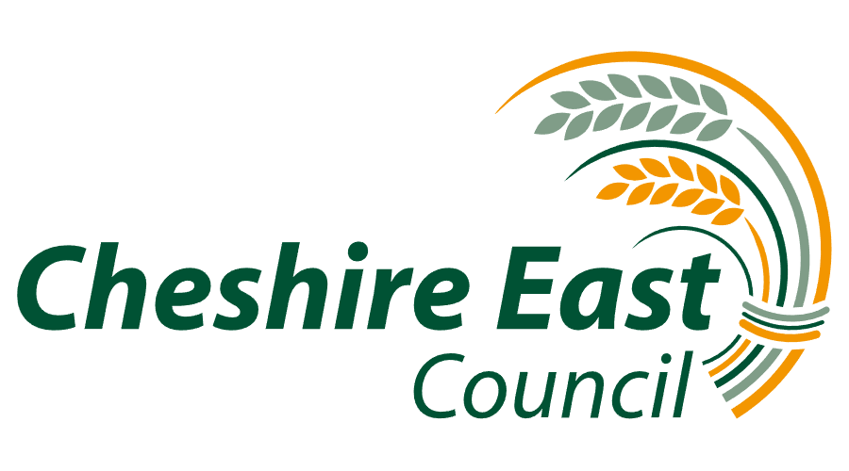
Provider | Service Name | Offer | Referral Route | Age Group | Service Type | Location/s | Website | Email | Contact Details | Area Covered | Address | County | Post Code | Definitions for Offer
Adoption Counts | Adoption Counts | We provide a wide and extensive range of adoption support services for adopters and their children. Education Support Services For Adopted Children |  | All Age | Adoption Agency | Cheshire East | https://adoptioncounts.org.uk/ | adoptionenquiries@adoptioncounts.org.uk | Cheshire East - 079 7750 3050 | Cheshire East | Adoption Counts, Etrop Court, 25 Rowlandsway,Wythenshawe, Manchester | Greater Manchester | M22 5RG | Support and Resources for adopted children and their families
CALM | Campaign Against Living Miserably | The Campaign Against Living Miserably (CALM) is leading a movement against suicide. Every week 125 people in the UK take their own lives. |  | All Age | Support and Advice | National | www.thecalmzone.net/ | Webchat - https://www.thecalmzone.net/help/webchat/ | 0800 58 58 58 | National | PO Box 68766 |  | SE1P 4JZ | What we do - Anyone can hit crisis point. We run a free and confidential helpline and webchat – 7 hours a day, 7 days a week for anyone who needs to talk about life’s problems. We support those bereaved by suicide, through the Support After Suicide Partnership (SASP).
Calmharm App | Calm Harm | Calm Harm is an award-winning app developed for teenage mental health charity stem4 by Dr Nihara Krause, Consultant Clinical Psychologist, using the basic principles of an evidence-based therapy called Dialectical Behavioural Therapy (DBT). Calm Harm provides tasks to help you resist or manage the urge to self-harm. You can make it private by setting a password, and personalise the app if you so wish. You will be able to track your progress and notice change. Please note the app is an aid in treatment but does not replace it. |  | 13+ | App for Advice and Support | National | https://calmharm.co.uk/ | n/a | n/a | National | n/a | n/a | n/a | Calm Harm gives users some immediate techniques to help break the cycle of self-harm and explore underlying trigger factors. Self-harm is an impulsive behaviour and immediate access to support is needed to regulate an impulse. It is a key risk factor in suicide and is habit forming. DBT is a therapy that is evidence based for impulse control and emotional regulation. Apps on handheld devices are available immediately and can be used in private to help urge reduction and to reduce frequent behaviour. Calm Harm provides a sense of control to deal with problems, helps self-reflection and increases motivation to ask for help.
Cheshire East Youth Council | Cheshire East Youth Council | Cheshire East Youth Council is for any young person aged 11- 18 (up to 25 years with additional needs and Care Leaver) to become involved in having their say and be involved in decision making processes locally and regionally. We deliver a range of activities and provide opportunities to get involved in activities locally, regionally and nationally where young people can have a voice in the issues that affect them and their communities. Young people can add 'Participation Yss' on Facebook. |  | Young person 11 - 18 | Things to Do | Cheshire East | https://livewellservices.cheshireeast.gov.uk/Services/4826 | Participation@cheshireeast.gov.uk | Contact - Angela Murney Mobile - 07816 592 766 Telephone - 01625 384 320 | Cheshire East | n/a | n/a | n/a | Cheshire East Youth Council is an opportunity to get involved in making decisions and having your voice heard.
Childline | Childline | Childline offer a free, private and confidential service where you can talk about anything. Childline is here to help anyone under 19 in the UK with any issue they’re going through. You can talk about anything. Whether it’s something big or small, our trained counsellors are here to support you. |  | Under 19s | Information and Advice | National | https://www.childline.org.uk/ | https://www.childline.org.uk/login/?returnPath=%2flocker%2fnew-email%2f | 0800 1111 | National | n/a | n/a | n/a
NSPCC | NSPCC | Specific advice for helping SEND children during the pandemic. Children with special educational needs and disabilities may face lots of changes in their day to day lives because of the coronavirus (COVID-19) situation. Their routines, regular support and the people they see may all be different now. As a parent or carer you may feel concerned about how the current situation will affect your child. This could include being worried about how you’ll manage your child’s care, medication or educational needs at home. You may also be worried about juggling your home and work life. Every child with special educational needs and disabilities (SEND) is different and will have different support needs in the current situation. We’re here for parents and carers and have advice to help you and your child find ways to cope together. |  |  | Information and Advice | National | https://www.nspcc.org.uk/keeping-children-safe/support-for-parents/coronavirus-supporting-children-special-educational-needs-disabilities/ | help@nspcc.org.uk | 0808 800 5000 | National | n/a | n/a | n/a | Advice for parents and carers on supporting SEND children during coronavirus (COVID-19).
Mind | Mental Health Charity | Provide advice and support to empower anyone experiencing a mental health problem. Campaign to improve services, raise awareness and promote understanding. |  | All Age | Advice and Support | National | https://www.mind.org.uk/information-support/for-children-and-young-people/coronavirus/coronavirus-and-your-wellbeing/ | info@mind.org.uk. | 0300 123 3393 | National | n/a | n/a | n/a
Cheshire East Information Advice & Support | Cheshire East Information Advice & Support | A service for children and young people who have Special Educational Needs or Disability and their families. This page has been set up to support you during the current situation with Coronavirus. We will attach relevant updates so that you can see what is happening and resources which you can use with your child. |  | Children & Young People | Information and Guidance | Cheshire East | http://www.ceias.cheshireeast.gov.uk/website-information/covid-19-information.aspx | ceias@cheshireeast.gov.uk | 0300 123 5166 (Monday - Thursday 9.30am - 4:30pm), (Friday 9.30am - 4:00pm) | Cheshire East | n/a | n/a | n/a
Shout | Shout | Shout is the UK’s first 24/7 text service, free on all major mobile networks, for anyone in crisis anytime, anywhere. It’s a place to go if you’re struggling to cope and you need immediate help. Shout is powered by a team of volunteers, who are at the heart of the service. We take people from crisis to calm every single day. |  | All Age | Text Messaging Service | National | https://www.giveusashout.org/ | info@giveusashout.org | Text SHOUT to 85258 | National | n/a | n/a | n/a
SANE | SANE | SANE runs a national, out of hours mental health helpline offering specialist mental health support to anyone affected by mental illness, including the family, friends and carers. |  | All Age | Mental Health Helpline | National | http://www.sane.org.uk/ | support@sane.org.uk, | 07984 967 708 0300 304 7000. | National | n/a | n/a | n/a
The Samaritans | The Samaritans | Samaritans is a registered charity aimed at providing emotional support to anyone in emotional distress, struggling to cope, or at risk of suicide throughout the United Kingdom and Ireland, often through their telephone helpline operating 24 hours a day, 365 days a year. |  | All Age | Support and Advice | National | https://www.samaritans.org/ | Via Website | 116 123 | National | n/a | n/a | n/a
Self Harm UK | Self Harm UK | A safe online space available to inform and support young people who self-harm, as well as cater for the needs of their siblings, parents and friends. We also wanted to provide information and training for professionals like youth workers, teachers and social workers. Delivering caring, child-centred work, which focuses on the emotional and social needs of all young people. |  | All Age | Online Support |  | www.selfharm.co.uk | info@selfharm.co.uk |  | National | 74 Bute Street | Bedfordshire | LU1 2EY
The Mental Health Foundation | The Mental Health Foundation | The Mental Health Foundation is a charity specialising in research and policy development, with a focus on preventing mental health problems. We are not able to advise people directly on their personal circumstances. |  | All Age | Online Information | National | https://www.mentalhealth.org.uk/ | n/a | n/a | National | n/a | n/a | n/a
The Mix | Essential Support for Under 25s | The Mix is the UK’s leading support service for young people. We are here to help you take on any challenge you’re facing - from mental health to money, from homelessness to finding a job, from break-ups to drugs. Talk to us via our online community, on social, through our free, confidential helpline or our counselling service. |  | Under 25s | Support and Advice | National | https://www.themix.org.uk/ |  | 0808 808 4994 or text THEMIX to 85258 | National | PO Box 7777 |  | W1A 5PD
Cheshire East Council | Family Information Service (FIS)

